Sheet1
Zsh/Bash startup files loading order (.bashrc, .zshrc etc.) |  |  |  | rc: run command

https://stackoverflow.com/questions/4426280/what-do-pty-and-tty-mean
 | "tty" originally meant "teletype" and "pty" means "pseudo-teletype".

 | In UNIX, /dev/tty* is any device that acts like a "teletype", ie, terminal. (Called teletype because that's what we had for terminals in those benighted days.)

 | A pty is a pseudotty, a device entry that acts like a terminal to the process reading and writing there, but managed by something else. They first appeared (as I recall) for X Windows and screen and the like, where you needed something that acted ilke a terminal but could be used from another program

 | Global Shell Confiuration Files
 | • /etc/profile : The systemwide initialization file, executed for login shells |  |  |  | /etc/bash.bash_logout: The systemwide login shell cleanup file, executed when a login shell exits
 | • /etc/profile.d
 | • /etc/bashrc
 | • /etc/bash.bashrc |  | System-wide .bashrc file for interactive bash shells.
 | • /etc/skel • Contents of this directory are copied to new users directories when a new user is created

 | User Shell Confiuration Files
 | • ~/.bash_login • Executes whatever commands are within the fie (~/.bash_login) when a user logs in |  |  |  |  |  | ~/.inputrc
 | • ~/.profile • User-specifi bash confiuration fie |  |  |  |  |  | Individual readline initialization file
 | • ~/.bash_profile • The personal initialization file, executed for login shells
 | • ~/.bashrc • The individual per-interactive-shell startup file; executes whatever commands are within the fie (~/.bash_login) when a user logs in.
 | • ~/.bash_logout • Executes whatever commands are within the fie (~/.bash_logout) when a user logs out

 | Interactive shell An interactive shell reads commands from user input on a tty.
 | Non-interactive shell a shell reads commands from a file – a shell script
 | Login shell Typically, most users will encounter a login shell only if either:
 |  | they logged in from a tty, not through a GUI.
 |  | they logged in remotely, such as through ssh.
 | Non-login shell If the shell was started any other way, such as through GNOME’s gnome-terminal or KDE’s konsole, then it is typically not a login shell.

 | For Bash, they work as follows. Read down the appropriate column. Executes A, then B, then C, etc. The B1, B2, B3 means it executes only the first of those files found
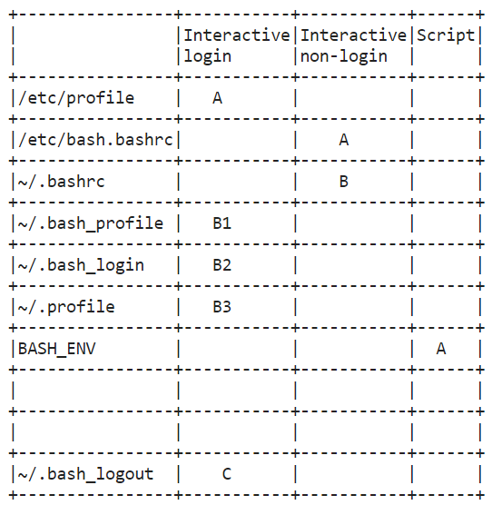
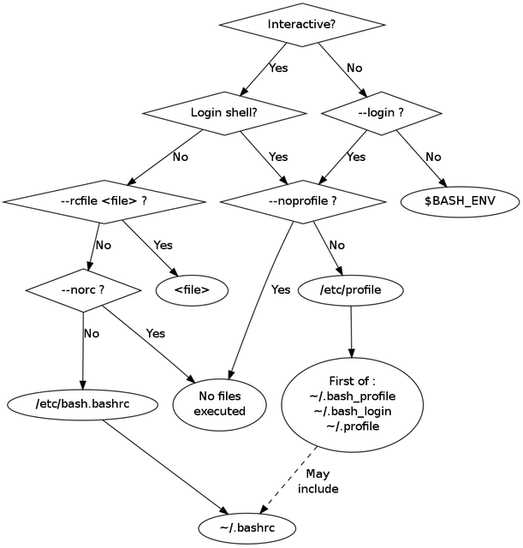

 | Typically, most users will encounter a login shell only if either:
 | * they logged in from a tty, not through a GUI
 | * they logged in remotely, such as through ssh.

 | If the shell was started any other way, such as through GNOME’s gnome-terminal or KDE’s konsole, then it is typically not a login shell

 | FILES
 | /bin/bash |  |  |  |  | ~/.bash_profile
 | The bash executable |  |  |  |  | The personal initialization file, executed for login shells
 | /etc/profile |  |  |  |  | ~/.bashrc
 | The systemwide initialization file, executed for login shells |  |  |  |  | The individual per-interactive-shell startup file
 | /etc/bash.bash_logout |  |  |  |  | ~/.bash_logout
 | The systemwide login shell cleanup file, executed when a login shell exits |  |  |  |  | The individual login shell cleanup file, executed when a login shell exits
 |  |  |  |  |  | ~/.inputrc
 |  |  |  |  |  | Individual readline initialization file

 | Login Shells (.bash_profile) |  |  |  |  | Purely Interactive Shells (.bashrc)

 | A login shell is a bash shell that is started with - or --login. |  |  |  |  | Interactive shells are those not invoked with -c and
 | The following are examples that will invoke a login shell. |  |  |  |  | whose standard input and output are connected to a terminal. Interactive shells do not need to be login shells. Here are some examples that will evoke an interactive shell that is not a login shell.
 | 1. sudo su - |  |  |  |  | 1. sudo su
 | 2. bash --login |  |  |  |  | 2. bash
 | 3. ssh user@host |  |  |  |  | 3. ssh user@host /path/to/command

 | When BASH is invoked as a login shell, the following files are executed in the displayed order. |  |  |  |  | In this case of an interactive but non-login shell, only ~/.bashrc is executed. In most cases, the default ~/.bashrc script executes the system's /etc/bashrc.

 | 1. /etc/profile |  |  |  |  | Be warned that you should never echo output to the screen in a ~/.bashrc file. Otherwise, commands like 'ssh user@host /path/to/command' will echo output unrelated to the command called.
 | 2. ~/.bash_profile
 | 3. ~/.bash_login |  |  |  |  | Non-interactive shells
 | 4. ~/.profile
 |  |  |  |  |  | Non-interactive shells do not automatically execute any scripts like ~/.bashrc or ~/.bash_profile. Here are some examples of non-interactive shells.
 | Although ~/.bashrc is not listed here, most default ~/.bash_profile scripts run ~/.bashrc.
 | # .bash_profile |  |  |  |  | 1. su user -c /path/to/command
 |  |  |  |  |  | 2. bash -c /path/to/command
 | # Get the aliases and functions
 | if [ -f ~/.bashrc ]; then
 | . ~/.bashrc
 | fi

